BEV_data
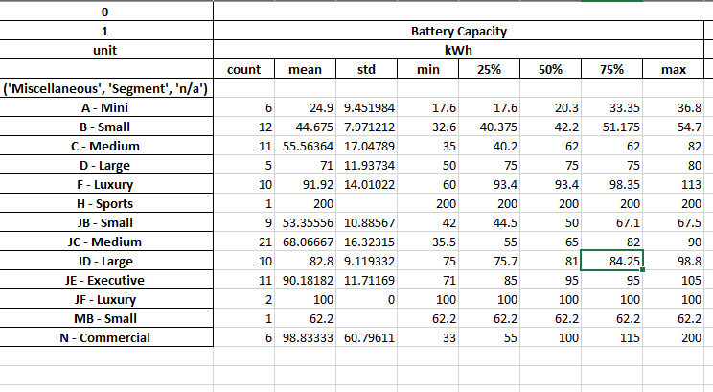
Source: | https://ev-database.org/

 | Segment | mean | std | min | 25% | 50% | 75% | max | variance
 | A | 24.9 | 9.452 | 17.6 | 17.6 | 20.3 | 33.35 | 36.8 | 89.340304
 | B | 44.675 | 7.97 | 32.6 | 40.735 | 42.2 | 51.175 | 54.7 | 63.5209
 | C | 55.5634 | 17.048 | 35 | 40.2 | 62 | 62 | 82 | 290.634304
 | D | 71 | 11.937 | 50 | 75 | 75 | 75 | 80 | 142.491969
 | E | 75
 | F | 91.92 | 14.01 | 60 | 93.4 | 98.35 | 98.35 | 113 | 196.2801
 | JB | 53.3556 | 18.89 | 42 | 44.5 | 67.1 | 67.1 | 67.5 | 356.8321
 | JC | 68.06667 | 16.32315 | 35.5 | 55 | 82 | 82 | 90 | 266.44522592
 | JD | 82.8 | 9.119332 | 75 | 75.7 | 84.25 | 84.25 | 98.8 | 83.162216126
 | JE | 90.18182 | 11.71169 | 71 | 85 | 95 | 95 | 105 | 137.16368266
 | JF | 100 | 0 | 100 | 100 | 100 | 100 | 100 | 0

 |  | Recalculated market share of sales by segment for the period 2015-2020
 |  |  |  |  |  |  |  |  |  |  | Raw data

 |  | 2015 | 2016 | 2017 | 2018 | 2019 | 2020 |  |  |  | 2015 | 2016 | 2017 | 2018 | 2019 | 2020
 | A | 8.4% | 8.5% | 8.1% | 7.8% | 7.5% | 7.8 % |  |  | A | 8.0% | 8.0% | 7.7% | 7.5% | 7.0% | 7.8 %
 | B | 24.7% | 22.9% | 21.1% | 20.3% | 19.3% | 19.3 % |  |  | B | 23.5% | 21.5% | 20.0% | 19.5% | 18.0% | 19.3 %
 | C | 31.6% | 30.9% | 28.5% | 27.1% | 25.2% | 24.9 % |  |  | C | 30.0% | 29.0% | 27.0% | 26.0% | 23.5% | 24.9 %
 | D | 8.4% | 8.5% | 8.4% | 7.3% | 6.4% | 6.4 % |  |  | D | 8.0% | 8.0% | 8.0% | 7.0% | 6.0% | 6.4 %
 | E | 3.2% | 2.1% | 2.9% | 3.1% | 2.5% | 2.4 % |  |  | E | 3.0% | 2.0% | 2.7% | 3.0% | 2.3% | 2.4 %
 | F | 0.5% | 0.4% | 0.3% | 0.0% | 0.3% | 0.3 % |  |  | F | 0.5% | 0.4% | 0.3% | 0.0% | 0.3% | 0.3 %
 | J | 23.2% | 26.6% | 30.6% | 34.4% | 38.7% | 38.8 % |  |  | J | 22.0% | 25.0% | 29.0% | 33.0% | 36.0% | 38.8 %

 | Check | 100% | 100% | 100% | 100% | 100% | 100%
 |  |  |  |  |  |  |  |  |  | Total | 95% | 94% | 95% | 96% | 93% | 100%
 | Sources: | [1] | [2] | [3] | [4] | [5] | [6] |  |  |  | 95.00 | 93.90 | 94.70 | 96.00 | 93.10

 |  | 2015 | 2016 | 2017 | 2018 | 2019 | 2020
 | BEV | 324907 | 465632.09375 | 758053.1875 | 1370922 | 1542867 | 2008024
 | PHEV | 222567 | 286459.1875 | 416591.09375 | 637557 | 570724 | 969034

 | [1] | https://theicct.org/sites/default/files/publications/ICCT_Pocketbook_2016.pdf
 | [2] | https://theicct.org/sites/default/files/publications/ICCT_Pocketbook_2017_Web.pdf
 | [3] | https://theicct.org/sites/default/files/publications/ICCT_Pocketbook_2018_Final_20190408.pdf
 | [4] | https://theicct.org/sites/default/files/publications/European_vehicle_market_statistics_20192020_20191216.pdf
 | [5] | https://theicct.org/sites/default/files/publications/ICCT_EU_Pocketbook_2020_Web_Dec2020.pdf
 | [6] | https://theicct.org/sites/default/files/publications/ICCT-EU-Pocketbook-2021-Web-Dec21.pdf

